Tearsheet
Company Snapshot

 | Ticker: | DTG GY |  | Currency | Local | Consolidation Basis | Consol
 | #NAME?
 | Bloomberg Rating: IG7 Sector: Industrials Industry: Machinery Sub-Industry: Construction Machinery & Heavy FY End: 1200 YYYY EPS Due: 07/08/2026
 | Description |  |  |  |  |  |  | Business Segments (FY: 1200-yy) |  |  | Revenue | Gross Profit | Depreciation/Amortization | R&D Expenses | Assets | Debt | Liabilities | Key Statistics |  |  | Actual and Estimate Data |  |  |  | Holdings By:
 | Daimler Truck Holding AG operates as an automobile company. The Company designs and manufactures commercial trucks and buses. Daimler Truck Holding serves customers worldwide. |  |  |  |  |  |  | Consolidated |  |  | 49,386.00 | 9,626.00 | 1,912.00 | 2,224.00 | 60,557.00 | 29,749.00 | 47,465.00 | 52-Week Range | 33.46 - 45.19 |  |  | LTM | 00/yyyy | 00/yyyy | Holder Name | Portfolio Name | Source | Amt Held | % Out | Latest Chg | File Dt | Inst Type | Country | Metro Area
 |  |  |  |  |  |  |  | Reconciliation |  |  | 0.00 |  | (103.00) |  | 410.00 |  | (1,687.00) | Avg Daily Vol (3 Mo) | 1,052,606 |  | Revenue | 44,003.00 | 48,685.33 | 52,582.87 | Mercedes-Benz Group | n/a | Annual Re | 288,033,159.00 | 37.62 | - | 2024-12-31 | Corporation | Germany | Stuttgart
 |  |  |  |  |  |  |  | Adjustment |  |  | (3,856.00) | (986.00) |  |  | 11,563.00 |  | 4,684.00 | Market Value | 32,461.5 |  | % change y/y |  | -1.4% | 8.0% | Internationale Kapit | n/a | Annual Re | 41,100,000.00 | 5.37 | -602,809.00 | 2024-12-31 | Investment Advisor | Germany | Duesseldorf
 |  |  |  |  |  |  |  |  |  |  |  |  |  |  |  |  |  | Current Enterprise Value (B) | 23,843.46 |  | EBITDA | 2,952.00 | 4,643.08 | 5,850.50 | State of Kuwait | n/a | Issuer | 40,983,004.00 | 5.35 | 1,464,669.00 | 2025-12-31 | Government | Kuwait | Unclassified
 |  |  |  |  |  |  |  |  |  |  |  |  |  |  |  |  |  | Shares Outstanding (B) | 765.60 M |  | % Margin |  | -4.3% | 26.0% | Blackrock Inc | n/a | EXCH | 25,531,533.00 | 3.33 | 4,097,735.00 | 2025-07-10 | Investment Advisor | United States | New York City/Southern CT/Northern NJ
 |  |  |  |  |  |  |  |  |  |  |  |  |  |  |  |  |  | Dividend Yield | 4.5% |  | EPS | 1.555755 | 3.307 | 4.476 | Vanguard Group Inc/T | n/a | ULT-AGG | 24,797,421.00 | 3.24 | -200,217.00 | 2026-06-30 | Investment Advisor | United States | Philadelphia
 | Address: | Fasanenweg 10 Leinfelden-echterdingen, BW 70771 Germany |  |  |  |  |  |  |  |  |  |  |  |  |  |  |  | Float % | 57.0% |  | % change y/y |  | 29.2% | 35.3% | St James's Place PLC | n/a | ULT-AGG | 16,039,010.00 | 2.09 | 1,827,817.00 | 2026-03-31 | Investment Advisor | United Kingdom | London
 | Telephone: |  |  | 49-711-8485-0 |  |  |  |  |  |  |  |  |  |  |  |  |  | Institutional % | 41.3% |  |  |  |  |  | Dimensional Fund Adv | Multiple Portfolios | MF-AGG | 12,434,960.00 | 1.62 | 48,356.00 | 2026-07-01 | Investment Advisor | United States | Austin
 | Website |  |  | www.daimlertruck.com |  |  |  |  |  |  |  |  |  |  |  |  |  | Analyst Coverage | 20 Analysts |  | EV/Sales | 0.5x | 0.5x | 0.3x | Bank of America Corp | n/a | Annual Re | 10,056,727.00 | 1.31 | -18,348,505.00 | 2024-12-31 | Bank | United States | Charlotte
 | CEO: |  |  | Karin Radstrom |  |  |  |  |  |  |  |  |  |  |  |  |  | Target Price | 46.63 |  | EV/EBITDA | 8.0x | 5.1x | 4.1x | Principal Financial | n/a | ULT-AGG | 6,808,866.00 | 0.89 | 165,677.00 | 2026-07-01 | Investment Advisor | United States | Des Moines
 | CFO: |  |  | Eva Scherer |  |  |  |  |  |  |  |  |  |  |  |  |  | LT Growth Rate | - |  | P/Sales | 0.7x | 0.7x | 0.6x | Deutsche Bank AG | n/a | ULT-AGG | 6,078,847.00 | 0.79 | 286,262.00 | 2026-07-02 | Investment Advisor | Germany | Frankfurt
 | # Employees as of 31/03/2026: |  |  | 108,655 |  |  |  |  |  |  |  |  |  |  |  |  |  | Consensus Rating | 3.95 |  | P/Earnings | 27.3x | 12.8x | 9.5x | Harris Associates LP | Multiple Portfolios | MF-AGG | 5,390,139.00 | 0.7 | -707,435.00 | 2026-07-02 | Investment Advisor | United States | Chicago
 | Bloomberg Rating: |  |  | IG7 |  |  |  |  |  |  |  |  |  |  |  |  |  | Return on Equity | 6.2% |  | P/Book | 1.5x | 1.5x | 1.4x | Credit Agricole Grou | n/a | ULT-AGG | 4,517,774.00 | 0.59 | -98,531.00 | 2026-07-01 | Bank | France | Paris
Measure 1 | Measure: |  |  |  |  | Price and Volume (1 Year) |  |  |  |  |  |  |  |  | Prices/Volume |  |  | Comparative Returns |  |  |  |  |  |  | FMR LLC | n/a | ULT-AGG | 4,206,474.00 | 0.55 | -1,431,556.00 | 2026-06-30 | Investment Advisor | United States | Boston
 | Volume |  | Price
Price_Vol_Chart_Date | 0 | 0 | 36.85
 | 579954 | 1/1/2025 | 36.85
 | 1276078 | 1/2/2025 | 36.5
 | 727645 | 1/3/2025 | 36.11
 | 727645 | 1/4/2025 | 36.11
 | 727645 | 1/5/2025 | 36.11
 | 1592232 | 1/6/2025 | 38.2
 | 1923020 | 1/7/2025 | 39.9
 | 1377481 | 1/8/2025 | 39.32
 | 932818 | 1/9/2025 | 39.33
 | 1568814 | 1/10/2025 | 38.21
 | 1568814 | 1/11/2025 | 38.21
 | 1568814 | 1/12/2025 | 38.21
 | 1021793 | 1/13/2025 | 37.62
 | 1214203 | 1/14/2025 | 38.23
 | 1350657 | 1/15/2025 | 38.72
 | 1100358 | 1/16/2025 | 38.01
 | 1308316 | 1/17/2025 | 38.77
 | 1308316 | 1/18/2025 | 38.77
 | 1308316 | 1/19/2025 | 38.77
 | 1085356 | 1/20/2025 | 39.88
 | 1014738 | 1/21/2025 | 39.53
 | 1236681 | 1/22/2025 | 39.58
 | 903683 | 1/23/2025 | 39.7
 | 1113194 | 1/24/2025 | 39.72
 | 1113194 | 1/25/2025 | 39.72
 | 1113194 | 1/26/2025 | 39.72
 | 1047859 | 1/27/2025 | 40.06
 | 1105409 | 1/28/2025 | 39.39
 | 2635748 | 1/29/2025 | 42.37
 | 1346138 | 1/30/2025 | 42.97
 | 1299988 | 1/31/2025 | 42.65
 | 1299988 | 2/1/2025 | 42.65
 | 1299988 | 2/2/2025 | 42.65
 | 2975466 | 2/3/2025 | 41.39
 | 1000322 | 2/4/2025 | 41.11
 | 1373912 | 2/5/2025 | 40.21
 | 1104231 | 2/6/2025 | 41.05
 | 1059971 | 2/7/2025 | 41.22
 | 1059971 | 2/8/2025 | 41.22
 | 1059971 | 2/9/2025 | 41.22
 | 795187 | 2/10/2025 | 41.18
 | 1082419 | 2/11/2025 | 41.63
 | 1295018 | 2/12/2025 | 40.75
 | 1751492 | 2/13/2025 | 42.1
 | 1384452 | 2/14/2025 | 42.67
 | 1384452 | 2/15/2025 | 42.67
 | 1384452 | 2/16/2025 | 42.67
 | 1020971 | 2/17/2025 | 42.93
 | 1256607 | 2/18/2025 | 43.67
...
 |  | 2024 | 2025 | 2026 | 2027 |  |  |  |  |  |  |  |  |  | YTD Change |  | 13.61% | Period |  | Security/Index: |  | CSCO US Equity |  |  | Norges Bank | Multiple Portfolios | MF-AGG | 3,622,318.00 | 0.47 | 2,145,438.00 | 2025-12-31 | Bank | Norway | Oslo
 | #NAME? | #NAME? | CSCO US Equity
0 | 0 | 0.3037 | 1.7938
7/3/2021 | 0 | 0.3037 | 1.7938
7/4/2021 | 0 | 0.3037 | 1.7938
7/5/2021 | 0 | 0.3798 | 1.7938
7/6/2021 | 0 | -0.5853 | 0.7291
7/7/2021 | 0 | 0.5768 | 1.2615
7/8/2021 | 0 | -1.1669 | 1.2615
7/9/2021 | 0 | 0.5462 | 2.1741
7/10/2021 | 0 | 0.5462 | 2.1741
7/11/2021 | 0 | 0.5462 | 2.1741
7/12/2021 | 0 | 1.2036 | 1.2044
7/13/2021 | 0 | 1.1981 | 1.3755
7/14/2021 | 0 | 1.1938 | 2.8395
7/15/2021 | 0 | 0.1727 | 2.0029
7/16/2021 | 0 | -0.3999 | 2.098
7/17/2021 | 0 | -0.3999 | 2.098
7/18/2021 | 0 | -0.3999 | 2.098
7/19/2021 | 0 | -3.0092 | 0.8812
7/20/2021 | 0 | -2.4767 | 1.8699
7/21/2021 | 0 | -1.155 | 2.4402
7/22/2021 | 0 | -0.5651 | 3.6951
7/23/2021 | 0 | 0.4267 | 5.0069
7/24/2021 | 0 | 0.4267 | 5.0069
7/25/2021 | 0 | 0.4267 | 5.0069
7/26/2021 | 0 | 0.1043 | 5.4633
7/27/2021 | 0 | -0.5357 | 5.102
7/28/2021 | 0 | -0.2073 | 4.1324
7/29/2021 | 0 | 0.242 | 4.7027
7/30/2021 | 0 | -0.3738 | 5.2731
7/31/2021 | 0 | -0.3738 | 5.2731
8/1/2021 | 0 | -0.3738 | 5.2731
8/2/2021 | 0 | -0.2178 | 5.4252
8/3/2021 | 0 | -0.3053 | 6.9462
8/4/2021 | 0 | 0.5731 | 5.8815
8/5/2021 | 0 | 0.9098 | 6.0146
8/6/2021 | 0 | 1.0174 | 5.6914
8/7/2021 | 0 | 1.0174 | 5.6914
8/8/2021 | 0 | 1.0174 | 5.6914
8/9/2021 | 0 | 0.9146 | 5.4633
8/10/2021 | 0 | 1.0767 | 5.7294
8/11/2021 | 0 | 1.4317 | 6.2047
8/12/2021 | 0 | 2.1458 | 7.2124
8/13/2021 | 0 | 2.4017 | 7.3645
8/14/2021 | 0 | 2.4017 | 7.3645
8/15/2021 | 0 | 2.4017 | 7.3645
8/16/2021 | 0 | 2.0703 | 7.0033
8/17/2021 | 0 | 2.0461 | 6.4899
8/18/2021 | 0 | 2.3282 | 4.8548
8/19/2021 | 0 | 1.0453 | 8.8855
8/20/2021 | 0 | 1.316 | 10.6917
...
 | Q1 Mar | 1463.00 | 1297.00 | 545.00 | 925.67 |  |  |  |  |  |  |  |  |  | 6 Month Change |  | 25.07% |  |  |  |  |  |  |  | UBS AG | n/a | ULT-AGG | 3,603,723.00 | 0.47 | 51,713.00 | 2026-06-30 | Investment Advisor | Switzerland | Zurich
 | Q2 Jun | 1292.00 | 671.00 | 1066.00 | 1344.67 |  |  |  |  |  |  |  |  |  | 3 Month Change |  | -0.2% |  |  |  |  |  |  |  | FIL Ltd | n/a | ULT-AGG | 3,500,620.00 | 0.46 | 911,514.00 | 2026-07-01 | Investment Advisor | Bermuda | Unclassified
 | Q3 Sep | 1064.00 | 800.00 | 1131.33 | 1411.00 |  |  |  |  |  |  |  |  |  | 1 Year Change |  | -1.3% |  |  |  |  |  |  |  | JPMorgan Chase & Co | n/a | ULT-AGG | 3,493,214.00 | 0.46 | 98,651.00 | 2026-07-01 | Bank | United States | New York City/Southern CT/Northern NJ
 | Q4 Dec | 831.00 | 936.00 | 1363.67 | 1482.00 |  |  |  |  |  |  |  |  |  |  |  |  |  |  |  |  |  |  |  | Invesco Ltd | n/a | ULT-AGG | 3,003,289.00 | 0.39 | -176,287.00 | 2026-07-01 | Investment Advisor | United States | Atlanta
 | Year | 4516.00 | 3704.00 | 4643.08 | 5850.50 |  |  |  |  |  |  |  |  |  | Daily Volume |  | 54,012 |  |  |  |  |  |  |  | Causeway Capital Man | Multiple Portfolios | MF-AGG | 2,842,417.00 | 0.37 | 2,377,814.00 | 2026-04-30 | Investment Advisor | United States | Los Angeles/Pasadena
 | Cal Yr | 5820.00 | 4853.00 | 4643.08 | 5850.50 |  |  |  |  |  |  |  |  |  | Average Volume 30 Day |  | 1,026,593 |  |  |  |  |  |  |  | Union Investment Lux | n/a | ULT-AGG | 2,774,264.00 | 0.36 | 1,013,282.00 | 2026-05-29 | Bank | Germany | Unclassified
 | Revision |  |  |  |  |  |  |  |  |  |  |  |  |  | Average Volume 3 Month |  | 1,052,606 |  |  |  |  |  |  |  | Analyst Recommendations
 |  | 1 Week | 4 Weeks | 3 Months | 6 Months |  |  |  |  |  |  |  |  |  | Average Volume 6 Month |  | 1,105,049 |  |  |  |  |  |  |  | Firm Name | Analyst | Recommendation | Weighting | ∆ | Target Price | Date | Date | BARR | 1 Yr Rtn
 | Qtr End 06/26 | -0.2% | -0.6% | 2.3% | - |  |  |  |  |  |  |  |  |  |  |  |  |  |  |  |  |  |  |  | UBS | Hemal Bhundia | neutral | 3 | M | 45.00 | 12 month | 2026-06-30 | 5 | 0
 | Qtr End 09/26 | -0.6% | -1.5% | -0.4% | - |  |  |  |  |  |  |  |  |  | Dividend Yld |  | - |  |  |  |  |  |  |  | Citi | Klas Bergelind | buy | 5 | M | 52.00 | Not Provided | 2026-06-30 | 2 | 11.25
 | FY End 12/26 | 0.2% | -3.5% | -5.0% | - |  |  |  |  |  |  |  |  |  | 52 Week Beta |  |  |  |  |  |  |  |  |  | Deutsche Bank | Nicolai Kempf | buy | 5 | M | 50.00 | 12 month | 2026-06-29 | 2 | 11.25
 | FY End 12/27 | 0.8% | -0.7% | -1.2% | - |  |  |  |  |  |  |  |  |  |  |  |  |  |  |  |  |  |  |  | Morningstar | Rella Suskin | buy | 5 | U | 49.00 | Not Provided | 2026-06-29 | -2147483648 | -2.4245362662E-14
 |  |  |  |  |  |  |  |  |  |  |  |  |  |  |  |  |  |  |  |  |  |  |  |  | Hedgeye Risk Management | Jay Van Sciver | long | 5 | M | 0.00 | Not Provided | 2026-06-29 | 3 | 4.74
Measure 2 | Measure: |  |  |  |  | Performance |  | 2017 | 2018 | 2019 | 2020 | 2021 | 2022 | 2023 | 2024 | 2025 | 5 Yr Avg | Relative Comps | Price | Ret YTD % | Mkt Cap | PE (NTM) | Rev - 1 Yr Gr | EPS - 1 Yr Gr | Bernstein | Harry Martin | underperform | 1 | M | 37.00 | Not Provided | 2026-06-25 | 8 | -8.91
 |  | 2024 | 2025 | 2026 | 2027 | Price Change |  | - | - | - | - | - | -10.4% | 17.5% | 8.3% | 1.3% | 4.2% | Daimler Truck Holding AG | 42.40 | 18.84% | 32.46 B | 12.0x | -9.25% | -33.20% | JP Morgan | Jose Asumendi | overweight | 5 | M | 50.00 | Not Provided | 2026-06-24 | -2147483648 | -2.4245362662E-14
 | Q1 Mar | 1463.00 | 1297.00 | 545.00 | 925.67 | DAX INDEX |  | 12.5% | -18.3% | 25.5% | 3.5% | 15.8% | -12.3% | 20.3% | 18.8% | 23.0% | 13.1% | Accelleron Industries AG | 80.55 | 33.08% | 7.61 B | 33.5x | 23.53% | 37.02% | RBC Capital | Nicholas Housden | outperform | 5 | M | 50.00 | 12 month | 2026-06-03 | 2 | 11.25
 | Q2 Jun | 1292.00 | 671.00 | 1066.00 | 1344.67 | Industry (INDU Index) |  | 25.1% | -5.6% | 22.3% | 7.2% | 18.7% | -8.8% | 13.7% | 12.9% | 13.0% | 9.9% | Traton SE | 33.54 | 13.01% | 16.77 B | 7.6x | -7.21% | -44.92% | BNP Paribas | Lewis Merrick | outperform | 5 | M | 52.00 | Not Provided | 2026-06-03 | -2147483648 | -2.4245362662E-14
 | Q3 Sep | 1064.00 | 800.00 | 1131.33 | 1411.00 | Div Yield |  | 0.0% | 0.0% | 0.0% | 0.0% | 0.0% | 4.5% | 5.6% | 5.2% | 5.1% | 4.1% | Iveco Group NV | 13.95 | 5.18% | 3.78 B | 12.1x | -6.86% | -51.65% | Jefferies | Michael Aspinall | buy | 5 | M | 54.00 | Not Provided | 2026-05-29 | 2 | 11.25
 | Q4 Dec | 831.00 | 936.00 | 1363.67 | 1482.00 | Financials |  | 12/17 Y | 12/18 Y | 12/19 Y | 12/20 Y | 12/21 Y | 12/22 Y | 12/23 Y | 12/24 Y | 12/25 Y | 5 Yr CAGR | Volvo AB | 329.10 | 15.70% | 669.17 B | 12.1x | -9.04% | -31.64% | Goldman Sachs | Daniela Costa | neutral | 3 | M | 45.00 | 12 month | 2026-05-26 | 5 | 0
 | Year | 4516.00 | 3704.00 | 4643.08 | 5850.50 | Sales |  | - | 43,700.0 | 46,244.0 | 36,013.0 | 39,764.0 | 50,945.0 | 55,890.0 | 50,173.0 | 45,530.0 | 4.8% | SAF-Holland SE | 20.20 | 36.59% | 0.92 B | 8.7x | -7.59% | -34.12% | Landesbank Baden-Wuerttemberg | Frank Biller | hold | 3 | M | 42.00 | Not Provided | 2026-05-11 | 1 | 19.92
 | Cal Yr | 5820.00 | 4853.00 | 4643.08 | 5850.50 | EBITDA |  | - | 3,894.0 | 4,112.0 | 1,826.0 | 4,517.0 | 4,616.0 | 6,317.0 | 4,516.0 | 3,704.0 | 15.2% |  |  |  |  |  |  |  | Oddo BHF | Anthony Dick | outperform | 5 | M | 50.00 | Not Provided | 2026-05-07 | 2 | 11.25
 | Revision |  |  |  |  | EBIT |  | - | 2,734.0 | 2,792.0 | 491.0 | 3,357.0 | 3,496.0 | 5,184.0 | 3,363.0 | 2,629.0 | 39.9% |  |  |  |  |  |  |  | Morgan Stanley | Shaqeal Kirunda | Overwt/In-Line | 5 | M | 47.00 | 12 month | 2026-05-06 | 2 | 11.25
 |  | 1 Week | 4 Weeks | 3 Months | 6 Months | Net Income |  | - | 1,808.0 | 1,731.0 | 143.0 | 2,347.0 | 2,665.0 | 3,775.0 | 2,900.0 | 1,970.0 | -269.0% |  |  |  |  |  |  |  | DZ Bank AG Research | Holger Schmidt | buy | 5 | M | 52.00 | Not Provided | 2026-05-06 | 4 | 3.6
 | Qtr End 06/26 | -0.2% | -0.6% | 2.3% | - | EPS (Diluted) |  | - | 2.20 | 2.10 | -0.17 | 2.85 | 3.24 | 4.62 | 3.64 | 2.56 | -272.0% |  |  |  |  |  |  |  | MWB Research | Leon Muehlenbruch | sell | 1 | M | 30.00 | 12 month | 2026-05-06 | 9 | -14.37
 | Qtr End 09/26 | -0.6% | -1.5% | -0.4% | - | Dividends per Share |  | - | 0.00 | 0.00 | 0.00 | 0.00 | 1.30 | 1.90 | 1.90 | 1.90 | - |  |  |  |  |  |  |  | Sadif Investment Analytics | Team Coverage | hold | 3 | M | 46.59 | Not Provided | 2026-04-27 | -2147483648 | -2.4245362662E-14
 | FY End 12/26 | 0.2% | -3.5% | -5.0% | - | Shares for Fully Diluted EPS |  | - | 823.0 | 823.0 | 823.0 | 823.0 | 823.0 | 818.0 | 796.0 | 769.0 | -1.3% |  |  |  |  |  |  |  | Kepler Cheuvreux | Michael Raab | reduce | 2 | D | 40.00 | Not Provided | 2026-04-16 | 6 | -3.85
 | FY End 12/27 | 0.8% | -0.7% | -1.2% | - | Book Value per Share |  | - | 10.85 | 11.97 | 9.99 | 19.34 | 24.37 | 26.25 | 28.40 | 28.15 | 23.0% |  |  |  |  |  |  |  | MP Capital Markets | Fabio Holscher | buy | 5 | M | 49.00 | 12 month | 2026-03-13 | 2 | 11.25
 |  |  |  |  |  | Cash & Near Cash |  | - | 548.0 | 1,094.0 | 1,663.0 | 7,244.0 | 5,944.0 | 7,067.0 | 6,553.0 | 8,550.0 | 38.7% |  |  |  |  |  |  |  | M Science Investment Research | Alex Prudhomme | no rating system | -2147483648 | M | 0.00 | Not Provided | 2025-09-23 | -2147483648 | -2.4245362662E-14
 | Growth Rate (CAGR) Summary |  |  |  |  | Total Assets |  | - | 49,972.0 | 55,367.0 | 49,989.0 | 54,800.0 | 63,969.0 | 71,212.0 | 73,854.0 | 72,530.0 | 7.7% |  |  |  |  |  |  |  | Barclays | Erwann Dagorne | equalweight | 3 | M | 45.00 | Not Provided | 2025-08-01 | 5 | 0
 |  | 1Yr | 3Yr | 5Yr | 10Yr | Working Cap |  | - | 4,792.0 | 5,993.0 | 4,056.0 | 10,605.0 | 11,394.0 | 14,737.0 | 14,852.0 | 18,513.0 | 35.5% |  |  |  |  |  |  |  | Baptista Research | Ishan Majumdar | outperform | 5 | N | 44.60 | 12 month | 2025-06-24 | 2 | 11.25
 | Sales | -9.3% | -3.7% | 4.8% |  | LT Debt |  | - | 10,046.0 | 11,495.0 | 8,744.0 | 10,911.0 | 13,328.0 | 17,125.0 | 18,372.0 | 20,426.0 | 18.5% |  |  |  |  |  |  |  | ISS-EVA | Team Coverage | hold | 3 | D | 0.00 | Not Provided | 2024-08-08 | 5 | 0
 | EBIT | -21.8% | -9.1% | 39.9% |  | Cash Flow-Oper Activities |  | - | 876.0 | 1,270.0 | 4,170.0 | 2,100.0 | 523.0 | 386.0 | 1,554.0 | 4,334.0 | 0.8%
 | EBITDA | -18.0% | -7.1% | 15.2% |  | Capital Expenditures |  | - | 1,221.0 | 1,130.0 | 796.0 | 762.0 | 898.0 | 1,026.0 | 1,417.0 | 1,117.0 | 7.0%
 | Net Income | -32.1% | -9.6% | -269.0% |  | Free Cash Flow |  | - | 345.0 | 140.0 | 3,374.0 | 1,338.0 | 1,421.0 | 640.0 | 137.0 | 3,217.0 | -0.9%
 | EPS (Diluted) | -29.7% | -7.6% | -272.0% |  | Ratios |  | 12/17 Y | 12/18 Y | 12/19 Y | 12/20 Y | 12/21 Y | 12/22 Y | 12/23 Y | 12/24 Y | 12/25 Y | 5 Yr Avg
 | Dividends | 0.0% | 13.5% |  |  | Gross Margin |  | - | 18.9% | 18.7% | 15.2% | 18.2% | 18.5% | 21.3% | 20.0% | 19.0% | 19.4%
 | BVPS | -0.9% | 4.9% | 23.0% |  | EBITDA Margin |  | - | 8.9% | 8.9% | 5.1% | 11.4% | 9.1% | 11.3% | 9.0% | 8.1% | 9.8%
 | Free Cash Flow | 2330.8% | -234.3% | 0.4% |  | EBIT Margin |  | - | 6.3% | 6.0% | 1.4% | 8.4% | 6.9% | 9.3% | 6.7% | 5.8% | 7.4%
 | Valuation Summary |  |  |  |  | Profit Margin |  | - | 4.1% | 3.7% | -0.4% | 5.9% | 5.2% | 6.8% | 5.8% | 4.3% | 5.6%
 | Latest FQ |  | 5 Year Periodicity: |  |  | Return on Assets |  | - | - | 3.3 | -0.3 | 4.5 | 4.5 | 5.6 | 4.0 | 2.7 | 4.2
 |  | 31/12/2025 | High | Low | Avg | Return on Com Eqty |  | - | - | 18.4 | -1.6 | 19.4 | 14.8 | 18.1 | 13.2 | 9.0 | 14.9
 | P/E (LTM) | 16.3x | 18.5x | 7.4x | 12.2x | Asset Turnover |  | - | - | 0.9 | 0.7 | 0.8 | 0.9 | 0.8 | 0.7 | 0.6 | 0.8
 | P/E (NTM) | 10.9x | 10.9x | 8.1x | 9.4x | Assets/Equity |  | - | 5.4 | 5.4 | 5.7 | 3.3 | 3.1 | 3.2 | 3.2 | 3.3 | 3.2
 | PEG (NTM) | 0.5x | 2.8x | 0.5x | 1.2x | Net Inc per 1000 Employees |  | - | - | - | - | 23.5 | 26.7 | 37.8 | 28.2 | 18.2 | 26.8
 | P/Bk | 1.3x | 1.7x | 1.2x | 1.4x | Days Sales Out (DSO) |  | - | - | 68.4 | 82.8 | 64.7 | 61.7 | 72.5 | 95.8 | 107.2 | 80.4
 | P/CF | 6.6x | 72.1x | 6.6x | 21.5x | Acc Pay Turn Days (DPO) |  | - | - | 33.7 | 38.2 | 39.7 | 41.5 | 42.7 | 44.4 | 43.8 | 42.4
 | P/Sales | 0.6x | 0.7x | 0.5x | 0.6x | Current Ratio |  | - | 1.2 | 1.3 | 1.2 | 1.6 | 1.5 | 1.6 | 1.6 | 1.8 | 1.7
 | EV/EBITDA | 5.3x | 5.3x | 3.0x | 4.1x | Quick Ratio |  | - | 0.6 | 0.7 | 0.7 | 0.9 | 0.8 | 0.9 | 1.0 | 1.1 | 1.0
 | EV/Sales | 0.4x | 0.5x | 0.3x | 0.4x | Total Debts/Total Capital |  | - | 67.5 | 69.2 | 70.2 | 49.9 | 50.3 | 53.7 | 55.6 | 56.9 | 53.3
 | Div Yield | 5.1% | 5.6% | 0.0% | 4.1% | Total Debt/Total Equity |  | - | 207.7 | 225.2 | 236.0 | 99.8 | 101.1 | 115.8 | 125.5 | 132.3 | 114.9

Relative Value
Relative Valuation With BQL

 |  |  | Only Applied To The Last Table
Security | DTG GY |  | DTG GY's Mkt Cap |  | 32,461,458,086
Index | DAX |  | Market Cap Lower Threshold |  | 1,000,000,000
Sector | Industrials |  | Market Cap Upper Threshold |  | 10,000,000,000,000
As Of Date 1 | 2026-07-01 |  | Exclude Values Above Standard Dev of: |  | 3
As Of Date 2 | 2017-06-22 |  | Country ISO |  | DE
Currency | EUR

Show Query Syntax? |  | PE_RATIO | EV_TO_EBITDA | EV_TO_EBIT | EV_TO_SALES | PX_TO_BOOK_RATIO | Chart? | GICS_SECTOR_NAME=='Industrials' | CUR_MKT_CAP>1000000000 | CUR_MKT_CAP<10000000000000 | COUNTRY_ISO=='DE'

 |  | Security Data
2026-07-01 |  | 16.29 | 8.02 | 12.34 | 0.54 | 1.47 |  | TRUE | DTG GY YYYY-07-DD | 16.29 | 8.02 | 12.34 | 0.54 | 1.47
2017-06-22 |  | #N/A | #N/A | #N/A | #N/A | #N/A |  | FALSE | DTG GY YYYY-06-DD | 0.00 | #N/A | #N/A | #N/A | #N/A
Change Across Dates

 |  | Industrials Within DAX
2026-07-01 |  | 36.80 | 18.59 | 27.04 | 2.62 | 7.12 |  | TRUE | Industrials Within DAX YYYY-07-DD | 36.80 | 18.59 | 27.04 | 2.62 | 7.12
2017-06-22 |  | 15.45 | 10.39 | 13.77 | 1.30 | 2.67 |  | FALSE | Industrials Within DAX YYYY-06-DD | 15.45 | 10.39 | 13.77 | 1.30 | 2.67
Change Across Dates |  | 138% | 79% | 96% | 102% | 166%
DTG GY vs sector Date 1 |  | 44% | 43% | 46% | 21% | 21%
DTG GY vs sector Date 2

 |  | DAX
2026-07-01 |  | 25.71 | 13.15 | 33.38 | 2.61 | 4.04 |  | TRUE | DAX YYYY-07-DD | 25.71 | 13.15 | 33.38 | 2.61 | 4.04
2017-06-22 |  | 19.36 | 8.93 | 13.08 | 2.09 | 2.84 |  | FALSE | DAX YYYY-06-DD | 19.36 | 8.93 | 13.08 | 2.09 | 2.84
Change Across Dates |  | 33% | 47% | 155% | 25% | 42%
DTG GY vs DAX Date 1 |  | 63% | 61% | 37% | 21% | 36%
DTG GY vs DAX Date 2

 |  | All Secs In Industrials And DE In Mkt Cap Range And Metric Below Std Dev
2026-07-01 |  | #NAME? | #NAME? | #NAME? | #NAME? | #NAME? |  | FALSE | Same Sector And Country With Mkt Cap Filter and Std Dev Filter YYYY-07-DD | #NAME? | #NAME? | #NAME? | #NAME? | #NAME?
2017-06-22 |  | #NAME? | #NAME? | #NAME? | #NAME? | #NAME? |  | FALSE | Same Sector And Country With Mkt Cap Filter and Std Dev Filter YYYY-06-DD | #NAME? | #NAME? | #NAME? | #NAME? | #NAME?
Change Across Dates
DTG GY vs all securities Date 1
DTG GY vs all securities Date 2

 |  |  | #N/A Invalid Parameter: Unable to determine a data providing service for RR902(currency=toScalarPerInstrument(RR968(FILL=PREV).currency)).

Help
Company Snapshot

Use XSCF to view company's fundamental background information and detailed earnings data, compare the returns of a selected security to its benchmark index and industry group, perform a peer group analysis and analyze financial data for a specific company.

Left Side of Tearsheet

Use Tearsheet Tab, Left side to view Security's Business Segments; Key Statistics; Actual and Estimate Data Tables; Performance, Financial and Ratios data; Two Earnings Tables with more than 20 measures to choose from; Price and Volume data; and Growth and Valuation Summaries.

Description
Business Segments
Price / Volume Data

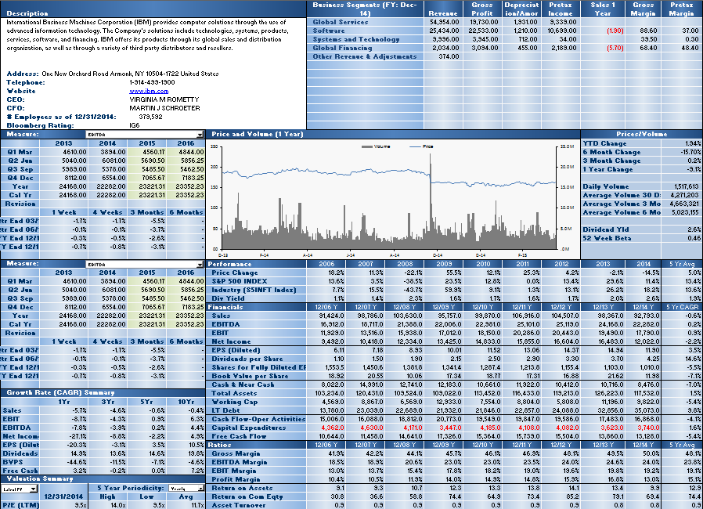

Earnings Tables
Growth and Valuation Summaries
Performance, Financials and Ratios

Right Side of Tearsheet

Use Tearsheet Tab, Right side to view Security's Description; Comparative Returns; Top 20 Holders by various Institution types; Analyst Recommendations; and List of the security's peers, as evaluated by a Bloomberg proprietary algorithm.

Comperative Returns
Estimate Data Tables
Holders

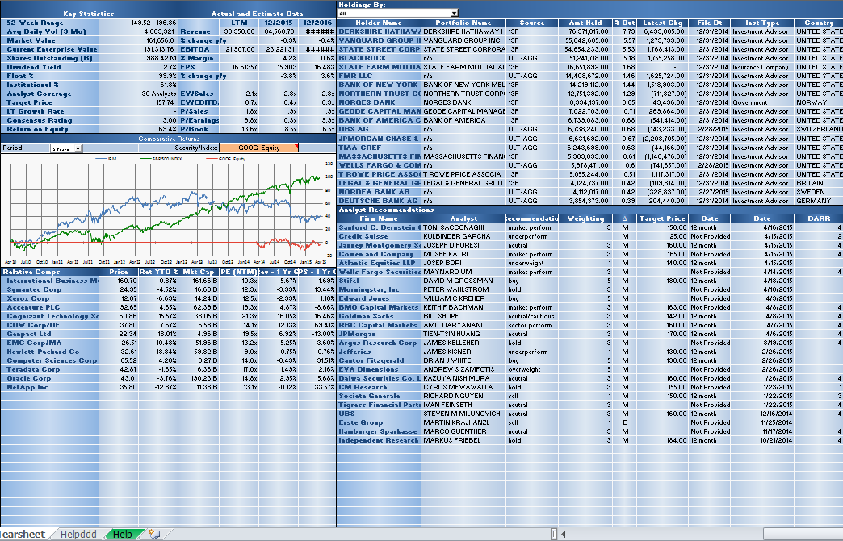

Relative Valuation (Bloomberg Peers)
Analyst Recommendation

Relative Value Sheet

See how your chosen security fairs versus a market cap weighted average of its own sector within its own index, the index as a whole, and all securities in the same sector and country excluding those outside the market cap thresholds or whose metric is a certain number of standard deviations away from the group.

Control for outliers in the table at the bottom of the screen by excluding any securities that do not meet the market cap criteria or whose fundamental value is greater than a set number of standard deviations from the group average
Enter your security and override the index or GICS sector if necessary

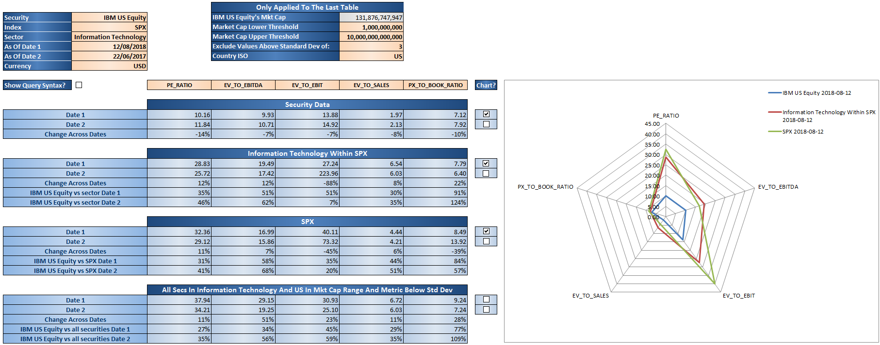
Enter any BQL fundamental field

Tick the check box to plot the data on the radar chart

Tick the check box to display the =BQL() formula syntax that is being used

